FinalMapping
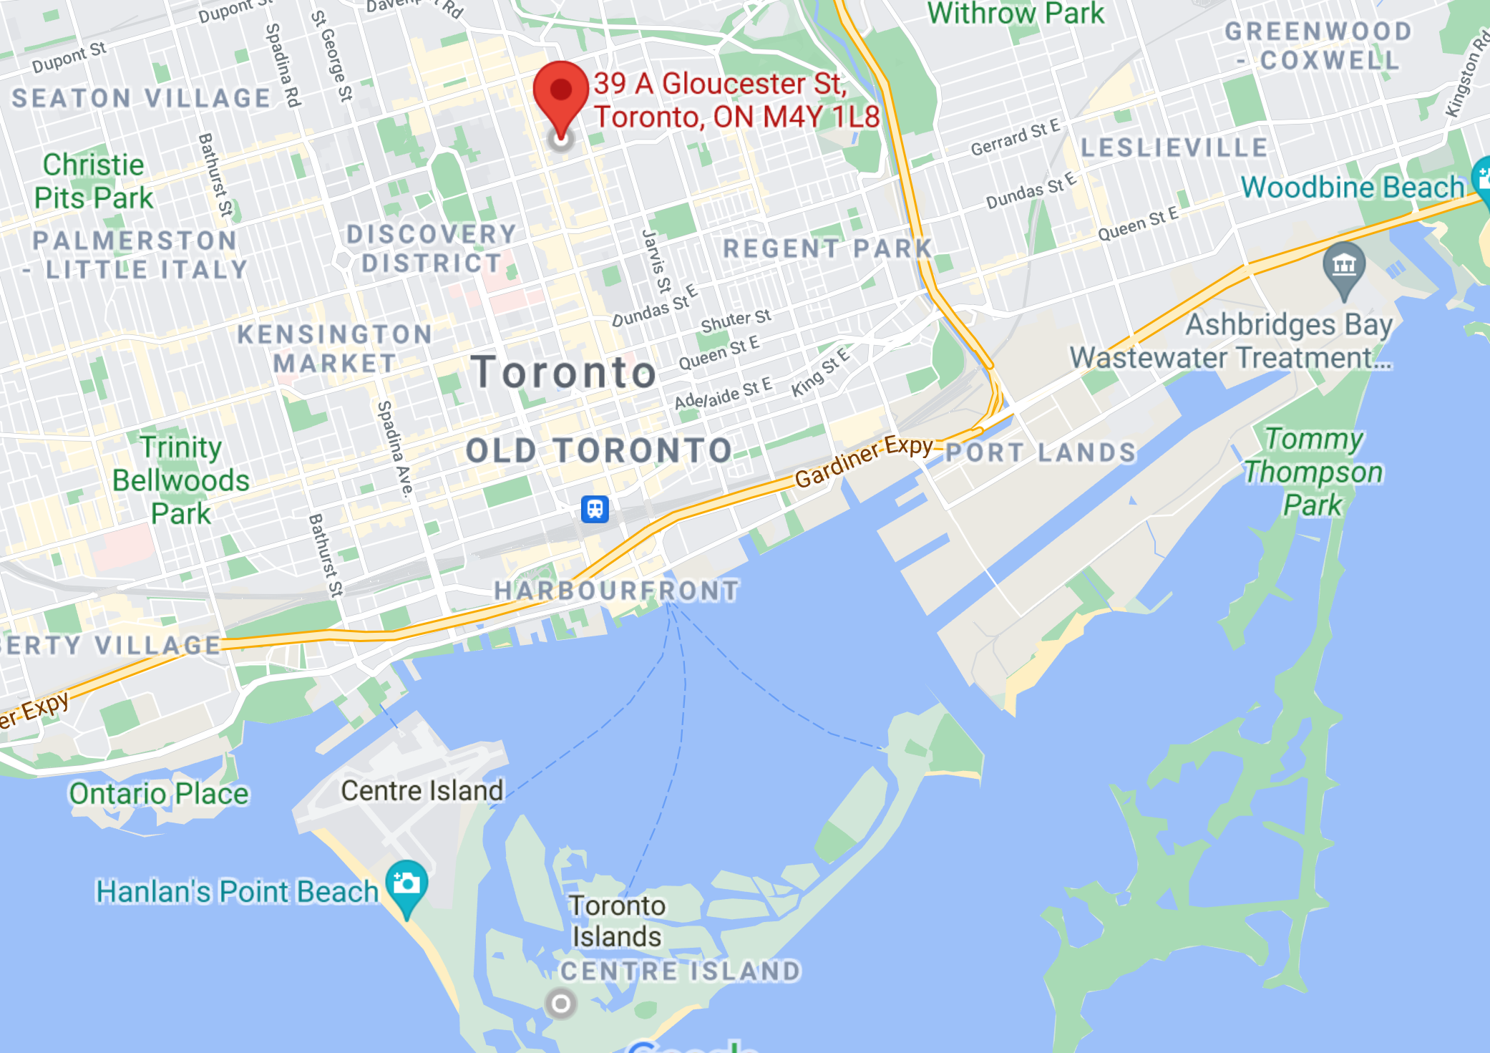
DATA | LAT | LONG | CONVERTED LONG
WRDC | 43.666667 | -79.383333 | 280.616667
GSOD | 43.616667 | -79.383333 | 280.616667

WRDC: 43.666667, -79.383333
PROJECTIONS | 43.65429688 | -78.77355957 | 281.2264404 | (HG 121)
ROTATED | -2.31 | 13.09
ROTATED | -2.309999466 | 13.08999634 |  | (also HG 121)

TORONTO: 43.6532, -79.3832

GSOD: 43.6166666, -79.3833333

Projections
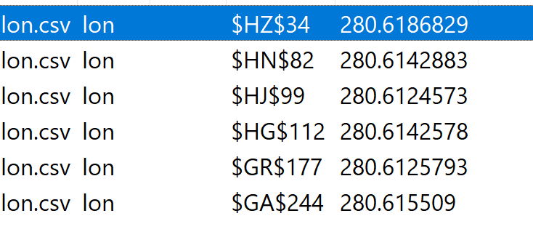
 | ORIGINAL |  | MAPPING | YES/NO
LON | 280.61868286 | LAT | 24.092964172 | no
LON | 280.61428833 | LAT | 34.95205307 | no
LON | 280.61245728 | LAT | 38.791671753 | no
LON | 280.61425781 | LAT | 41.726089478 | no
LON | 280.61257935 | LAT | 56.447616577 | no
LON | 280.61550903 | LAT | 71.562019348 | no
LAT | 43.662624359 | LON | 253.41609192 | no
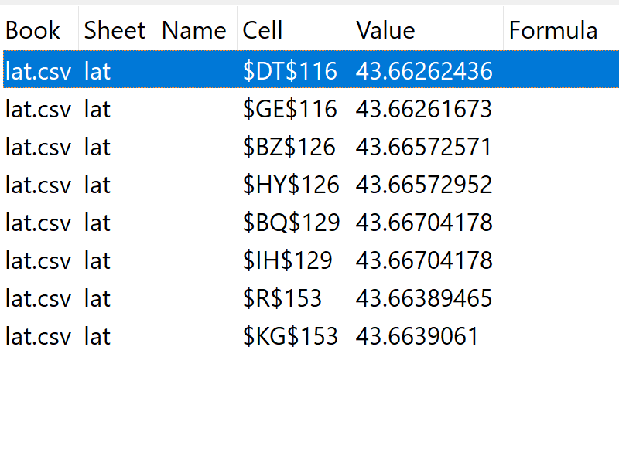
LAT | 43.66261673 | LON | 272.58389282 | no
LAT | 43.665725708 | LON | 239.09396362 | no
LAT | 43.665729523 | LON | 286.90600586 | no
LAT | 43.667041779 | LON | 236.20892334 | no
LAT | 43.667041779 | LON | 289.79104614 | no
LAT | 43.663894653 | LON | 219.05053711 | no
LAT | 43.663906097 | LON | 306.94946289 | no
LAT | 43.61125946 | LON | 260.11935425 | no
LAT | 43.618984222 | LON | 260.42233276 | no
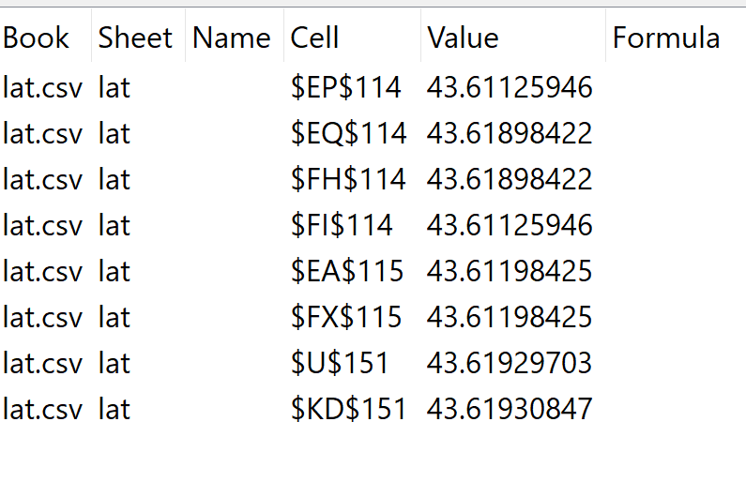
LAT | 43.618984222 | LON | 265.57763672 | no
LAT | 43.61125946 | LON | 265.88061523 | no
LAT | 43.611984253 | LON | 255.56051636 | no
LAT | 43.611984253 | LON | 270.43945312 | no
LAT | 43.619297028 | LON | 220.14254761 | no
LAT | 43.619308472 | LON | 305.85742188 | no

 | LAT | LONG
HG 121 | 43.654296875 | 281.22644043 | -78.77355957 | ** closer
HK 122 | 43.658302307 | 282.47927856 | -77.520721436 | ** farther

TORONTO: 43.660052454494405, -79.38258682257515

OLD
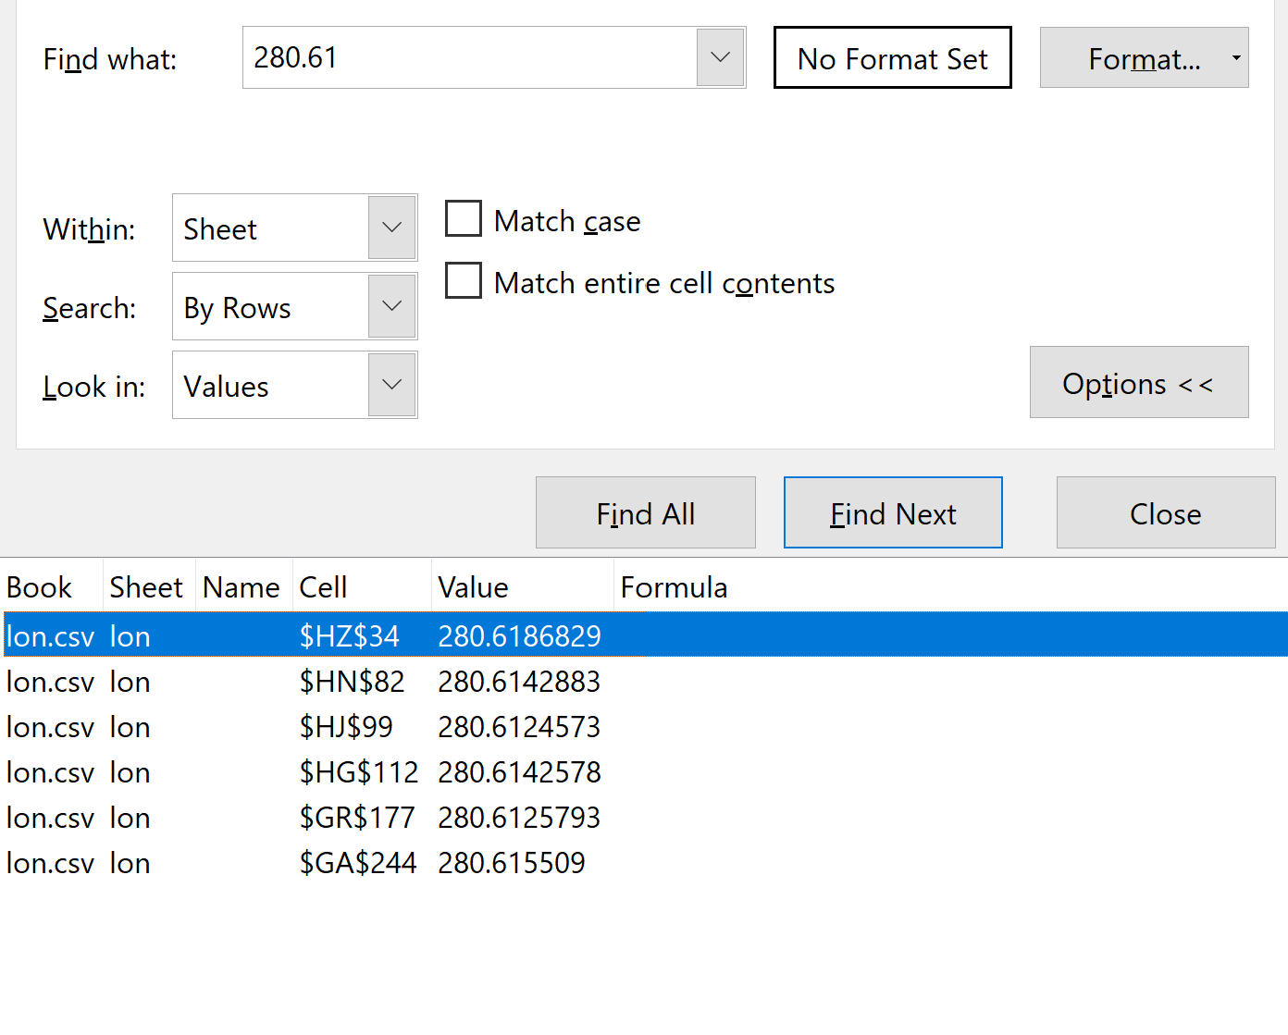
LAT = 43.61667 |  | world radiation data centre; lat = 43.39
43.61125946 | EP 114 | long = -79.24
43.61125946 | FI 114
43.611984253 | EA 115
43.611984253 | FX 115
43.618984222 | EQ 114
43.618984222 | FH 114
43.619297028 | U 151
43.619308472 | KD 151

LONG = -79.3833 + 360 = 280.61667

